Sheet2
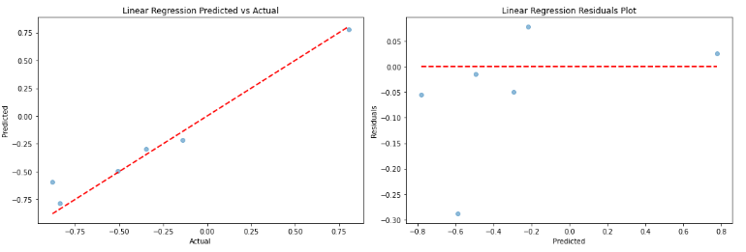
 | Machine Model and Results for Production Tanks 22MT for the Deaeration Phase
Model Type | Model | Train MSE | Train MSE- Tuned | Test MSE | Test MSE- Tuned | Train R2 | Train R2- Tuned | Test R2 | Test R2- Tuned | Best Parameters
Linear | Linear Regression | 0.00 | 0.00 | 0.02 | 0.02 | 1.00 | 1.00 | 0.94 | 0.94
 | Ridge Regression | 0.00 | 0.00 | 0.02 | 0.02 | 1.00 | 1.00 | 0.94 | 0.94 | alpha': 0.1
 | Lasso Regression | 0.00 | 0.00 | 0.02 | 0.02 | 1.00 | 1.00 | 0.94 | 0.94 | alpha': 0.01
Ensemble/Tree Based | Random Forest Regressor | 0.00 | 0.00 | 0.04 | 0.04 | 1.00 | 1.00 | 0.88 | 0.88 | max_depth': 20, 'n_estimators': 300
 | Gradient Boosting Regressor | 0.00 | 0.00 | 0.03 | 0.03 | 1.00 | 1.00 | 0.92 | 0.92 | learning_rate': 0.1, 'max_depth': 3, 'n_estimators': 100
Tree Based | Decision Tree Regressor | 0.00 | 0.00 | 0.06 | 0.06 | 1.00 | 1.00 | 0.82 | 0.82 | max_depth': None
Ensemble | Bagging Regressor | 0.00 | 0.00 | 0.04 | 0.04 | 1.00 | 1.00 | 0.89 | 0.89 | max_features': 1.0, 'max_samples': 1.0, 'n_estimators': 200
Instance based | K-Nearest Neighbors | 90.32 | 0.00 | 39.47 | 50.09 | 0.87 | 1.00 | 0.79 | 0.74 | Fitting 5 folds for each of 32 candidates, totalling 160 fits algorithm': 'auto', 'n_neighbors': 3, 'weights': 'distance'
Kernal Based | Support Vector Machine | 819.16 | 0.82 | 200.55 | 11.59 | -0.21 | 1.00 | -0.06 | 0.94 | Fitting 5 folds for each of 36 candidates, totalling 180 fits 'C': 1, 'degree': 2, 'gamma': 'scale', 'kernel': 'linear'
Neural Network ( FCN) | Dense Neural Network | 274.76 | 3.65 | 109.76 | 15.99 | 0.59 | 0.99 | 0.42 | 0.92 | neurons_layer3': 32, 'neurons_layer2': 32, 'neurons_layer1': 64, 'epochs': 100, 'batch_size': 64
Neural Network | Simple Neural Network | 1024.77 | 869.74 | 320.60 | 220.06 | -0.52 | -0.28 | -0.69 | -0.16 | neurons_layer2': 32, 'neurons_layer1': 128, 'epochs': 30, 'batch_size': 64} Fitting 3 folds for each of 5 candidates, totalling 15 fits
Neural Network ( RNN) | LSTM Neural Network | 1292.83 | 1207.26 | 424.13 | 397.49 | -0.91 | -0.79 | -1.24 | -1.10 | lstm_neurons': 70, 'epochs': 100, 'batch_size': 64

Top performing
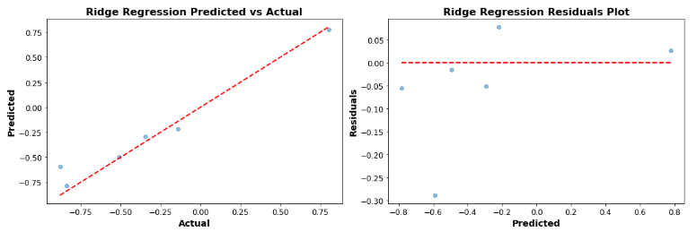
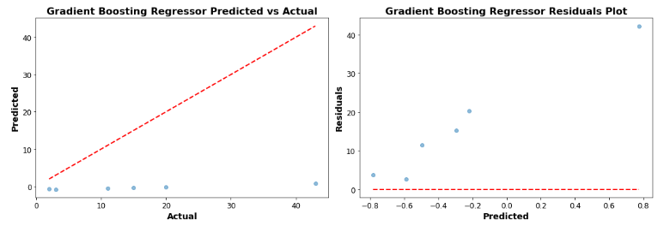
 | Top Performing Machine Model and Results for Production Tanks 22MT for the Deaeration Phase
Model Type | Model | Train MSE | Train MSE- Tuned | Test MSE | Test MSE- Tuned | Train R2 | Train R2- Tuned | Test R2 | Test R2- Tuned | Best Parameters
Linear | Linear Regression | 0.00 | 0.00 | 0.02 | 0.02 | 1.00 | 1.00 | 0.94 | 0.94
Ensemble/Tree Based | Gradient Boosting Regressor | 0.00 | 0.00 | 0.03 | 0.03 | 1.00 | 1.00 | 0.92 | 0.92 | learning_rate': 0.1, 'max_depth': 3, 'n_estimators': 100
Ensemble | Bagging Regressor | 0.00 | 0.00 | 0.04 | 0.04 | 1.00 | 1.00 | 0.89 | 0.89 | max_features': 1.0, 'max_samples': 1.0, 'n_estimators': 200

It's interesting to note that simpler linear models (Linear Regression, Ridge, and Lasso) performed very well for this dataset. This might suggest that the relationship between the features and the target variable for the Deaeration Phase of Production Tanks 22MT is linear.

However, remember, while performance metrics are a good indicator, in real-world scenarios, other considerations like model interpretability, ease of implementation, and computational efficiency might also influence the final choice of models.

Lastly, it's essential to be cautious when models show a perfect or near-perfect training score, like an �2R2 of 1.00. This could potentially indicate overfitting, even though the test metrics seem good. It's always a good idea to further validate such models with new data or use techniques like cross-validation to ensure the model's robustness.

